Table1
Supplemetary Table S1. Summary of ECG traits

ECG | Description | Sketch | Leads | ICC filtered*
R | R amplitude of combined wave | 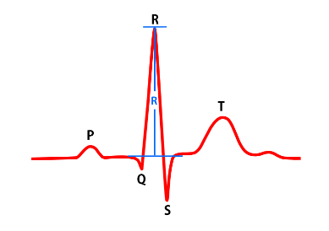 | 12 | 11
S | S amplitude of combined wave | 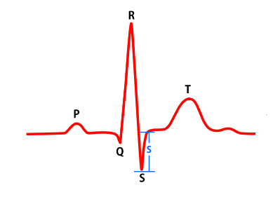 | 12 | 12
T | T amplitude of combined wave | 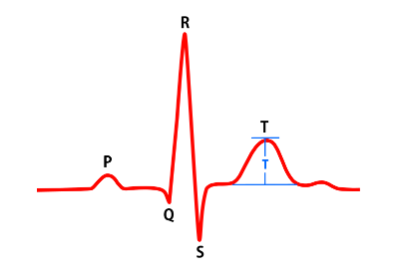 | 12 | 11
RS | the difference between R and S amplitude | 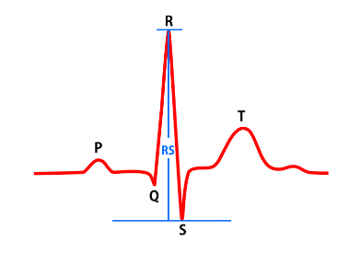 | 12 | 11
ST | the difference between S and T amplitude | 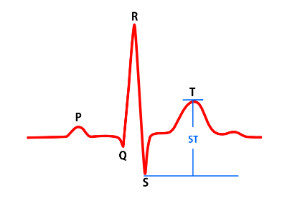 | 12 | 12
J_up | difference between R start and S end in voltage | 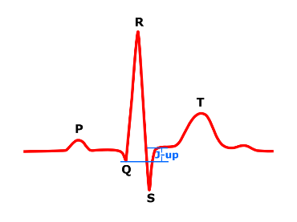 | 12 | 8
inteR | R peak area | 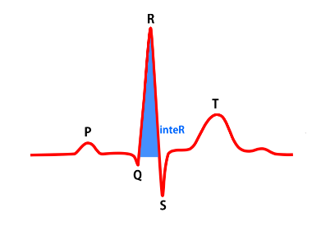 | 12 | 11
inteS | S peak area | 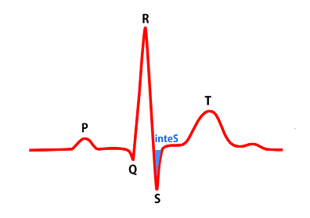 | 12 | 11
inteT | T peak area | 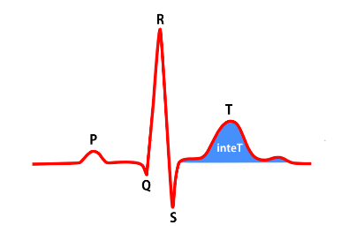 | 12 | 5
t_R | R begin-to-R end interval | 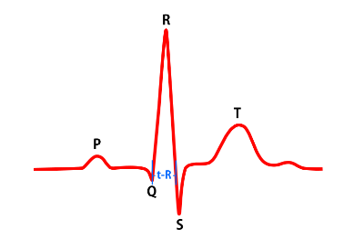 | 12 | 0
t_S | S begin-to-S end interval | 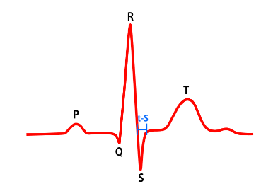 | 12 | 0
t_T | T begin-to-T end interval | 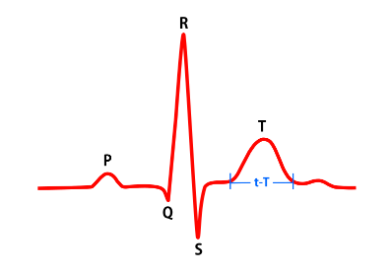 | 12 | 0
t_ST | S begin-to-T end interval | 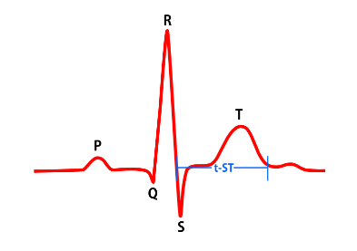 | 12 | 2
t_QT | Q begin-to-T end interval | 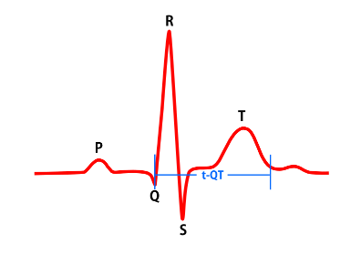 | 12 | 1

*The number of ECG traits after excluding IDPs with ICC 95CI upper <0.5

